Services
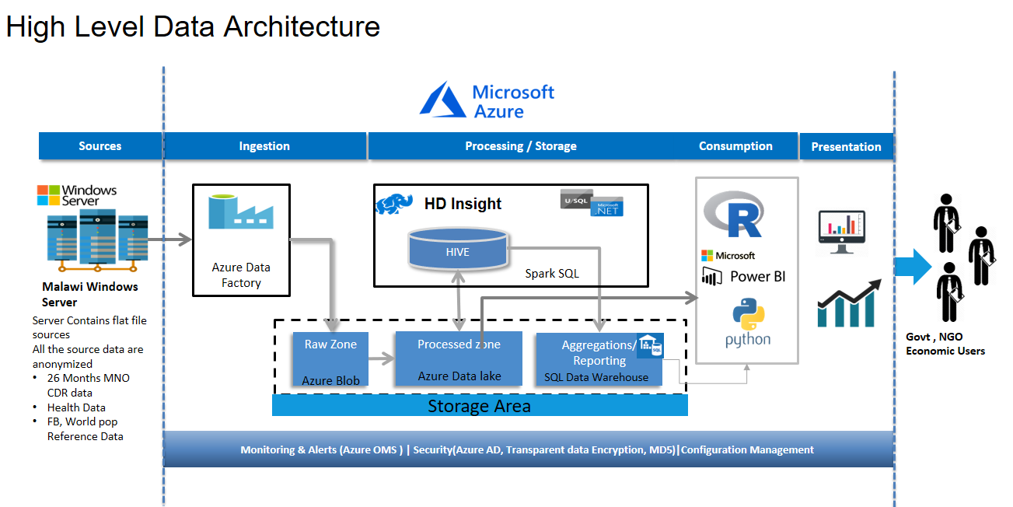
Malawi use case - Microsoft Azure Services & cost estimate
Service type | Region | Description | Estimated Cost | Purpose
Storage | Central US | Block Blob Storage, General Purpose V2, LRS Redundancy, Hot Access Tier, 8 TB Capacity, 1,00,000 Write operations, 1,00,000 List and Create Container Operations, 1,00,000 Read operations, 1 Other operations. 1,000 GB Data Retrieval, 1,000 GB Data Write | $151.77 | To Store the incoming data Feeds from Malawi Server. 2-3 TB of Raw Data from Airtel & Highresolution geospatial data from FB, World Pop etc.
Azure Data Lake Storage Gen2 | East US 2 | Pay-as-you-go: 10 TB Storage, 1000 Read Transactions, 1000 Write Transactions | $453.36 | To store the strucutred Data (CDR, Health data) Assumed 1000 transaction units for a raw data of 3 TB in 4MB spilts. 1000 Transaction Units ( Read & Write ) are assumed
HDInsight | East US 2 | Hadoop Component: 2 D4 (8 cores, 28 GB RAM) Head nodes x 31 Days, 3 D12 (4 cores, 28 GB RAM) Region nodes x 31 Days, 1 D4V2 (8 cores, 28 GB RAM) Edge nodes x 31 Days, Enterprise Security Package x 31 Days | $2,390.49 | Hive / Spark ETL will happen in this area. The transactions will be heavy since we are dealing with huge volume of CDR data which is the primary crux of the entire programme.
Azure SQL Database | East US 2 | Managed Instance, vCore Purchase Model, General Purpose Tier, Gen 4, 1 8 vCore instance(s) x 31 Days, AHB for SQL Server, 2,560 GB Storage | $1,196.72 | The Aggregated data estimated around 2+TB will be moved to SQL DW so that , the native visualisation applications can run hassle free
Data Factory | East US 2 | Azure Data Factory V2 Type, Data Pipeline Service Type, 100 Read/Write operation(s), 100 Monitoring operation(s), Azure Integration Runtime: 3 Activity Run(s), 25 Data movement unit(s), 25 Pipeline activities, 0 Pipeline activities – External; Self-hosted Integration Runtime: 0 Activity Run(s), 0 Data movement unit(s), 0 Pipeline activities, 0 Pipeline activities – External | $84.38 | Pay as you go - ADF will be used as data pipeline for transferring data between layers.
Power BI Embedded | East US 2 | 1 node(s) x 1 Months, Node type: A2, 2 Virtual Core(s), 5GB RAM, 301-600 Peak renders/hour | $1,465.91 | Power BI will be used as one of the data visualization tools and this has to handle data in Terabytes.
Virtual Machines | East US 2 | 1 DS13-2 v2 (2 vCPU(s), 56 GB RAM) x 730 Hours; Windows – (OS Only); Pay as you go; 0 managed OS disks – S4, 1,00,000 transaction units | $472.54 | The Data analytical softwares and process will happen in this machine - Pay as you use model
Support |  | Support | $0.00
 |  | Licensing Program | Microsoft Online Services Program (MOSP)
 |  | Monthly Total | $6,215.17

Disclaimer
All prices shown are in US Dollar ($). This is a summary estimate, not a quote. For up to date pricing information please visit https://azure.microsoft.com/pricing/calculator/
This estimate was created at 9/20/2018 12:28:19 PM UTC.

